CWELCC Eligibility Age Tool
REGION OF PEEL'S CWELCC ELIGIBILITY AGE TOOL
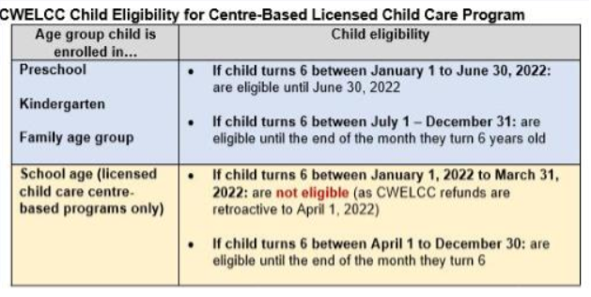

Age Group
Child's Birthday
Must be entered | 44,742.00 | 0 | 0 | 0 | 0 | 0 | 0 | 0 | 0 | 0
in the format of | 44,562.00
YYYY-MM-DD |  |  |  |  |  |  |  |  |  |  | Kindergarten
 | CWELCC Eligible | Apr | May | Jun | Jul | Aug | Sep | Oct | Nov | Dec | School Age
 | CWELCC Ineligible |  |  |  |  |  |  |  |  |  | Family Age Group
 |  | 30-Apr-16 | 31-May-16 | 30-Jun-16 | 31-Jul-16 | 31-Aug-16 | 30-Sep-16 | 31-Oct-16 | 30-Nov-16 | 31-Dec-16
 |  | 42,490.00 | 42,521.00 | 42,551.00 | 42,582.00 | 42,613.00 | 42,643.00 | 42,674.00 | 42,704.00 | 42,735.00

Child's Birthday |  |  |  |  |  |  |  |  |  |  | Infant
Must be entered | 2015-12-30 | 0 | 0 | 0 | 0 | 0 | 0 | 0 | 0 | 0 | Toddler
in the format of | 44,562.00 |  |  |  |  |  |  |  |  |  | Preschool
YYYY-MM-DD |  |  |  |  |  |  |  |  |  |  | Kindergarten
 | CWELCC Eligible | Apr | May | Jun | Jul | Aug | Sep | Oct | Nov | Dec | School Age
 | CWELCC Ineligible |  |  |  |  |  |  |  |  |  | Family Age Group
 |  | 30-Apr-16 | 31-May-16 | 30-Jun-16 | 31-Jul-16 | 31-Aug-16 | 30-Sep-16 | 31-Oct-16 | 30-Nov-16 | 31-Dec-16
 |  | 42,490.00 | 42,521.00 | 42,551.00 | 42,582.00 | 42,613.00 | 42,643.00 | 42,674.00 | 42,704.00 | 42,735.00
Disclaimer: The purpose of the CWELCC Eligibility Age Tool is to assist providers in determining a child's age eligibility for CWELCC. Should there be any discrepancies with the guidelines, the guidelines take precedence. Should you have further questions, please contact your Early Years Specialist (EYS) or email us at earlyyearssystemdivision@peelregion.ca

