3. Base Fees & Registration
Market Base Fees and Registration Fees

 | Site Name:

 | Please include all rates for care you provide (includes full time and part time rates)

 | LICENSED CHILD CARE PROGRAMS

 | Age Group (Select from drop down) | Full Fee (before CWELCC fee reduction, not including registration fees) | Non-Base Items (see definition below) | Base Fee (see definition below) | Billing Frequency (Select from drop down) | Full Day (6 hours or more) or Half Day (< 6 hrs) (Select from drop down) | # of program days per week (Select from drop down) | Daily Rate Calculation | Notes/Comments (optional)
 |  |  |  | $-
 |  |  |  | $-
 |  |  |  | $-
 |  |  |  | $-
 |  |  |  | $-
 |  |  |  | $-
 |  |  |  | $-
 |  |  |  | $-
 |  |  |  | $-
 |  |  |  | $-
 |  |  |  | $-
 |  |  |  | $-
 |  |  |  | $-
 |  |  |  | $-
 |  |  |  | $-
 |  |  |  | $-
 |  |  |  | $-

 | "Base Fee" means any fees or part of a fee that is charged in respect of a child for child care, including anything a licensee is required to provide under the Child Care and Early Years Act, 2014 (CCEYA), or anything a licensee requires the parent to purchase from the licensee, but does not include a non-base fee.

 | "Non-Base Fee"means any fees charged for optional items or optional services such as transportation or field trips, or any fees charged pursuant to an agreement between the parent and the licensee in respect of circumstances where the parent fails to meet the terms of the agreement (eg., fees for picking up a child late, fees to obtain items that the parent agreed to provide for their child but failed to provide), as defined in the CCEYA.

 | Please attach your current fee schedule as well as complete this entire sheet
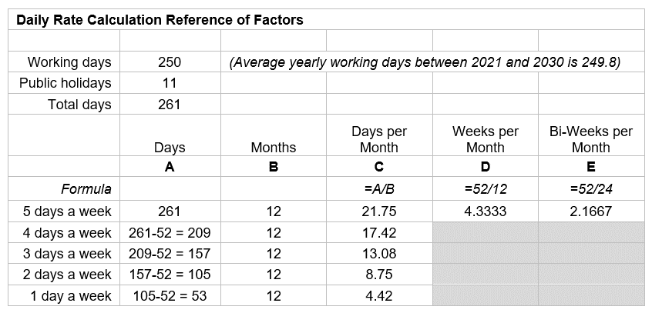
 | REGISTRATION FEES
 | REGISTRATION FEES: When inputting your registration fee, please do not include any regular base fees charged to families (e.g., deposit fees). Typically, a registration fee is a one-time fee child care providers charge to families to enroll/register their child.
 | Age Group (Select from drop down) | Registration Fee (One-Time Fee) | Notes/Comments (optional)
 |  | $-
 |  | $-
 |  | $-
 |  | $-
 |  | $-
 |  | $-
 |  | $-
 |  | $-
 |  | $-
 |  | $-
 |  | $-
 |  | $-
 |  | $-
 |  | $-
 | Note: Registration fees and deposit fees are frozen at March 27, 2022 levels (where applicable). Peel Region supports CWELCC fee reduction to eligible families who must pay a registration fee/deposit fee for eligible children.

 | FEES ATTESTATION |  |  |  |  |  | PLEASE SIGN THE FEES ATTESTATION

 | I/we understand that the base fees, as provided above, are fees or part of a fee that is charged in respect of a child for child care, including anything a licencee is required to provide under the Child Care and Early Years Act, 2014 (CCEYA), or anything a licencee requires the parent to purchase from the licencee, but does not include a non-base fee.

 | I/we understand that the non-base fees, as provided above, are fees charged for optional items or optional services such as transportation or field trips, or any fees charged pursuant to an agreement between the parent and the licencee in respect of circumstances where the parent fails to meet the terms of the agreement (eg., fees for picking up a child late, fees to obtain items that the parent agreed to provide for their child but failed to provide), as defined in the CCEYA.

 | I/we understand that the base fees and non-base fees are capped as per the CCEYA in order to participate in the CWELCC program.

 | Authorized Signing Officer (Type Full Name Here)

All sections highlighted in green MUST BE COMPLETED. Failure to submit a completed application will result in delays in processing your request.

 | Infant
 | Toddler
 | Preschool
 | Kindergarten - FDK
 | Kindergarten - Before/After
 | Family Age Grouping
 | Camp: 4-6 yrs
 | Under 2 - LHCC
 | 2-3 years LHCC
 | 4-5 years Before/After LHCC
 | 4-6 years Full Day LHCC
 | All age groups - LHCC

 | Full Day
 | Half Day (AM or PM)
 | Part Time
 | Nursery Program
 | Before Care
 | After Care
 | Before & After Care
 | Evening Care
 | Weekend Care
 | Drop-In/Hourly

 | Per Year
 | Per Month
 | Per Week
 | Per Bi-Weekly
 | Per Day
 | Per Hour

 | FOR REFERENCE - # of Days
 |  | Per Month | Per Week
 | 1 Day a Week | 4.42 | 1.00
 | 2 Days a Week | 8.75 | 2.00
 | 3 Days a Week | 13.08 | 3.00
 | 4 Days a Week | 17.42 | 4.00
 | 5 Days a Week | 21.75 | 5.00

 | MEDU Centre Based Rate Caps
 |  | Infant | Toddler | Preschool | Kindergarten - FDK | Kindergarten - Before/After | Family Age Grouping
 | Peel | $80.80 | $62.78 | $57.92 | $60.70 | $28.26 | $62.78

 | MEDU Home Based Rate Caps
 |  | Under 2 - LHCC | 2-3 years LHCC | 4-6 years Full Day LHCC | 4-5 years Before/After LHCC
 |  | Under 2 | 2-3 years | 4-6 years | 4-5 years
 | Peel | $49.94 | $48.89 | $40.80 | $31.49

7. Start-up Grant
Start-up Grant Application
Please fill in all green cells to indicate your requests
 | Agency Name
 | Site Address
 | Property Identification Number (PIN) e.g. property tax bill, title of property, assessment notice (applicable for licensed child care centres)

 | Licensed Child Care Centres

 | NOTE: You may apply for BOTH Equipping / Furnishing and Minor Renovation

 |  |  |  |  |  |  |  | Age Group | New Licensed Child Care Spaces
 |  |  |  |  |  |  |  | Infant | 0
 |  |  |  |  |  |  |  | Toddler | 0
 |  |  |  |  |  |  |  | Preschool | 0
 |  |  |  |  |  |  |  | Total | 0

 | Equipping / Furnishing

 |  |  |  | Play materials, equipment, and furnishings (both indoors and outdoors)

 |  |  |  | Non-consumable supplies/equipment to support the ongoing regular operation of the child care program (e.g. appliances, IT, supplies to support learning environments while adhering to health and safety requirements)

 | Minor Renovation

 |  |  |  | Renovations, additions or repairs to licensed full-day child care centres or potential child care centres as approved by Peel Region

 |  |  |  | Changes to outdoor play space that are required as a result of the expansion of child care spaces in the centre

 |  |  |  | Leasehold improvements

 |  | Enter the total net new square footage of additional licensed spaces created as a result of expansion:

Note: If there are multiple rooms created as a result of expansion for the same age group, enter the total square footage.
 |  | Age Group |  |  | Square Footage
 |  | Infant
 |  | Toddler
 |  | Preschool
 |  | Total |  |  | 0

 | Licensed Home Child Care

 |  |  |  | Play materials, equipment, and furnishings (both indoors and outdoors) that can be transferred between home child care providers as required

 | Project Benefits

 | Explain how the project offered will improve access to licensed child care in communities with vulnerable children and children from diverse populations, including:
 |  | · | Children living in low-income families
 |  | · | Children with special needs
 |  | · | Indigenous children
 |  | · | Black and other racialized children
 |  | · | Children of newcomers to Canada
 |  | · | Francophone children

 | Ineligible Expenses

 | NOTE: Ineligible expenses include:
 |  | · | Purchase of land or buildings
 |  | · | Debt costs including principal and interest payments related to capital loans, mortgage financing, and operating loans
 |  | · | Property taxes
 |  | · | School-based licensed child care spaces
 |  | · | Costs to expand or create licensed child care spaces for programs that run before and/or after school or during school hours for kindergarten or school-age children

 |  | · | Indoor and outdoor renovations, additions or repairs to home child care provider’s premises or potential home child care provider’s premises

 | Minor Renovation Scope of Work
 | Note: Do not complete this section if ONLY requesting funding for Equipping / Furnishing expenditures

 | Project Description

 | Provide a description of the proposed project’s scope of work and submit schematic floor plans that align with Ministry of Education floor plan requirements (if available). Include in your description any relevant information, such as project dependencies, risks and/or impact to service delivery and mitigation plans.

 | Description of Proposed Space

 | Provide a description of the proposed space (for example, a commercial property that requires renovations, an existing child care centre, a residential property that will be converted into child care, etc.). If available, include pictures of the space in your submission, such as a link to the realtor's posting or your own photos of the space.

 | Total Funding Requested

 |  |  |  |  |  | Enter the total funding amount requested to complete the proposed project
 |  |  |  |  |  | NOTE: While the Ministry of Education has established maximum funding benchmarks, these are not guaranteed. Peel will establish local benchmarks based on available funding and project demand. We intend to fund as many applications as possible to support our targeted expansion efforts in Peel.

 |  |  |  | I have authority to bind the corporation and attest that the proposed budget requested has been informed by at least two (2) quotes and at all times I shall retain financial records for a period of no less than seven (7) years to ensure funding was utilized as per Peel Region requirements. |  |  |  |  |  | ✓

 | Anticipated Date of Project Completion

 | Project must be completed and operational within two years of the date that the funding agreement is executed.

 |  |  |  |  |  |  |  | Enter the anticipated date of project completion
 | Year |  |  | Month |  |  | Day

 | Proposed Project Schedule

 | List anticipated key milestones or submit a project schedule, such as a Gantt chart (i.e., milestone examples such as project start and end dates; hiring of required consultants, contractors, project managers; anticipated opening of new licensed space/site; etc.):

 | Project Milestone |  |  |  |  |  |  |  | Approximate Date
 | 1
 | 2
 | 3
 | 4
 | 5
 | 6
 | 7
 | 8

 | Project State of Readiness

 | Status of Project (explain current stage of project planning and/or implementation)

 | Status of Relevant Municipal Planning Approvals (explain required municipal approvals and the current status of applications and/or permits)

 | Status of Hiring/Assigning Required Project Resources (explain resources overseeing project planning and implementation, such as an assigned Project Manager, vendor name of hired consultants or contractors, etc.)

