Definition
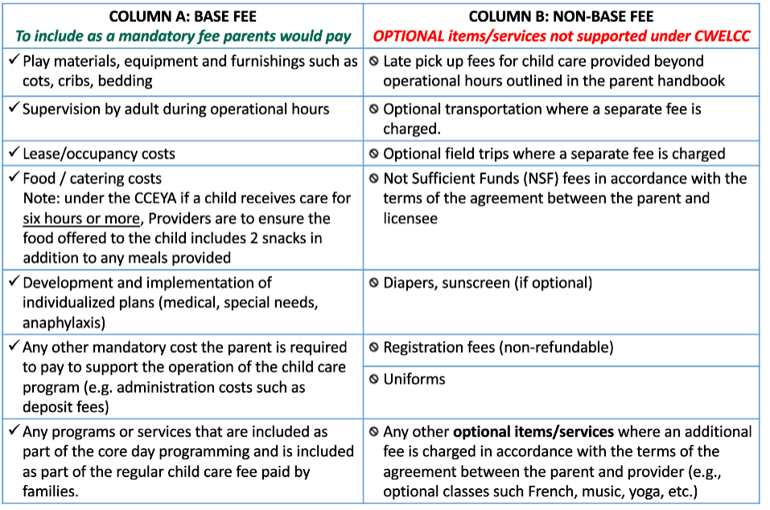
Definitions:

"Base Fee" means any fees or part of a fee that is charged in respect of a child for child care, including anything a licensee is required to provide under the Child Care and Early Years Act, 2014 (CCEYA),
or anything a licensee requires the parent to purchase from the licensee, but does not include a non-base fee

"Non-Base Fee"means any fees charged for optional items or optional services such as transportation or field trips, or any fees charged pursuant to an agreement between the parent and the licensee in respect
of circumstances where the parent fails to meet the terms of the agreement (eg., fees for picking up a child late, fees to obtain items that the parent agreed to provide for their child but failed to provide),
as defined in the CCEYA

