Instructions
Application for Home Child Care Enhancement Grant Funding - Home Child Care Providers (2017)

The purpose of these instructions is to support Home Child Care Providers agencies in completing their Home Child Care Enhancement
Grant (HCCEG) application. The application will generate the 2017 funding entitlement. If you have any questions related to your application
please contact [insert CMSM/DSSAB contact information].
HCCEG applications must be submitted no later than [CMSM/DSSAB to insert the application deadline], 2017 in order to be
considered for HCCEG funds.
Any forms posted online must make reference to the wage enhancement/HCCEG being funded by the Government of Ontario.

You are only required to enter data in the green cells similar to this one. All other calculations will be performed automatically.

The application form contains 100 rows to allow you to enter data for all eligible positions. At step 5, you will be
provided with instructions on how to only show the rows where data has been entered for printing purposes.

STEP 1: DETERMINE ELIGIBILITY
In order to successfully complete your HCCEG application you must determine which of the providers are eligible for the enhancement
as of December 31, 2016.

Full Home Child Care Enhancement Grant
In order to be eligible to receive the full HCCEG of $20 per day, home child care providers must:
· Hold a contract with a licensed home child care agency;
· Provide services to one child or more (excluding providers own children);
· Provide full time services on average (6 hours or more a day); and
· Receive base daily fees, excluding prior year’s HCCEG, of less than $246.80 (i.e. $20 below the cap of $266.80).

Partial Home Child Care Enhancement Grant
In order to be eligible to receive the partial HCCEG of $10 per day, home child care providers must:
· Hold a contract with a licensed home child care agency;
· Provide services to one child or more (excluding providers own children);
· Provide part time services on average (less than 6 hours a day) ; and
· Receive base daily fees, excluding prior year’s HCCEG of less than $150.08 (i.e. $10 below the cap of $160.08).

Now that you have determined which providers qualify for the HCCEG you can begin completing the form.

STEP 2: ENTER AGENCY INFORMATION
Open the HCCEG application form in excel and complete the agency information shown below as well as a contact person who is able to
answer questions in regards to the application form being submitted.
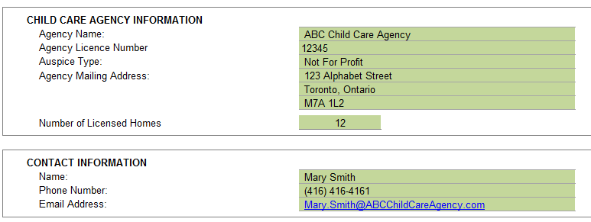

EXAMPLE

STEP 3: SERVICE DATA
Please indicate the number of ineligible home child care providers, i.e. exceeds the cap

Now that you have completed information regarding your agency, move to Step 4, where you will begin entering provider information.

STEP 4: PROVIDER INFORMATION
Enter the following information for the eligible providers.
• Provider Name = Name of the provider or Home Child Care Provider program
• Provider Address = Address of the provider or Home Child Care Provider program
• Provider works with more than one agency = If the provider works with more than one agency, then provide the agency name.
• Provider's own children are excluded (check if yes/no) to confirm that the providers' own children are excluded from the data provided.
• Provider works Full time or Part Time (based on ministry definitions) = If the provider works 6 hours or more a day select "Full Time"
If the providers works less than 6 hours a day select "Part Time" based on ministry definitions
• # of days worked (Jan 1 - Dec 31, 2016) = Please enter the number of days worked in the qualifying period. Where a provider operates over
the weekend, those days should be included in the count.
• Total Fees Received (Jan 1 - Dec 31, 2016) = Please enter the total number of fees received (excluding prior year HCCEG),
including fees for privately placed clients.
Please see sample table completed below:

EXAMPLE

Once you’ve entered the information above the application template will generate the following information:
• Average Base Daily Fee
• Eligibility Status
• Qualifying Daily rate - Full = $20 or Partial = $10
• Maximum Grant Transfer that can be transferred to a provider in 2017
Following the example of Provider 1 and Provider 2, they would be entitled to the following:

EXAMPLE

At the bottom of the application form, you will find a summary of the agency's eligible providers and the total funding you will receive for
HCCEG transfers pending approval from the CMSM/DSSAB.
This section also generates the supplemental grant for each eligible home child care provider.
As this agency only has 2 service providers, Provider 1 and Provider 2, this agency is applying for the following:
EXAMPLE

STEP 5: PAGE LAYOUT & PRINTING
Prior to printing or submitting your application form, please go to cell A31 and left click on the symbol to the right of the "Filter" button.
This gives you the ability to only show the rows that contain information.
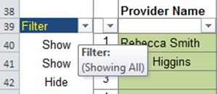

Please ensure that only the "Show" option contains a check mark. You can remove the other checkmark, by left clicking on the box
beside "hide".
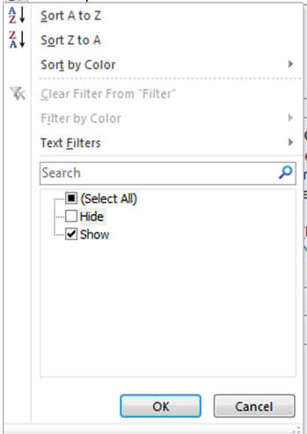

STEP 6: CERTIFICATION
Please complete the certification stating that the information you have included in the application is accurate by selecting "Yes" in the box shown
below and completing your signing authority's information. Submit the completed application to [insert CMSM/DSSAB information].

The information that you have provided is subject to review by the CMSM/DSSAB prior to/or after granting wage enhancement funding to the
agency.
The CMSM/DSSAB will communicate the approval amount through returning the application form with the bottom portion of the form
completed.

